11
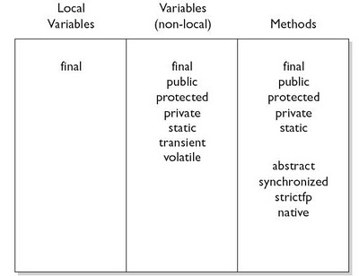

12
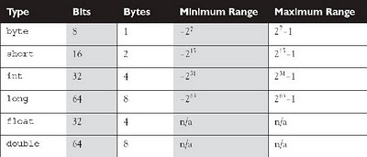

15
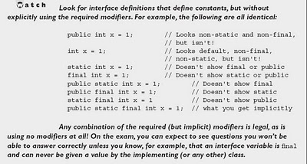
When you create an interface, you're defining a contract for what a class can do,
without saying anything about how the class will do it.
interface demo{
int x=10;
void fun();
}
We can never define the method body in an interface.
The variable initialization is mandatory.

A class can implement an interface but an interface can extend another interface.
interface A{}
class B implements A{}
interface C extends A()

SOME INTERFACE RULES-
-All interface methods are implicitly public and abstract. In other words,
you do not need to actually type the public or abstract modifiers in the
method declaration, but the method is still always public and abstract.
interface Bounceable{
public abstract void bounce( );
//void bounce();//both methods are legal
}
-All variables defined in an interface must be public, static, and final—
in other words, interfaces can declare only constants, not instance variables.
interface Foo {
int BAR = 42;//initialization is mandatory
void go();
}
class Zap implements Foo {
public void go() {
BAR = 27;
}
}
this will be compilation error because the variable BAR is by default final we can not modify its value.
-Interface methods must not be static.
-Because interface methods are abstract, they cannot be marked final,
strictfp, or native.
-An interface cannot implement another interface or class.

16
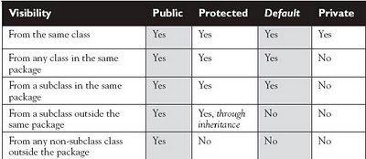
■ public
■ protected
■ default
■ private

PUBLIC-
When a method or variable member is declared public, it means all other classes,
regardless of the package they belong to, can access the member (assuming the class
itself is visible).
PRIVATE-
Members marked private can't be accessed by code in any class other than the
class in which the private member was declared.
DEFAULT AND PROTECTED-
Default protection is what you get when you don't type an access modifier in the
member declaration.
The default and protected access control types have almost identical behavior, except for one difference that is we can access protected variable in sub class in different packege where as for default it is not possible, it can be accessed only inside the same package,

A class can use just two of the four access control levels (default or
public), members can use all four.
local variables can have only default access.

46
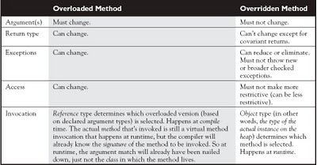

52
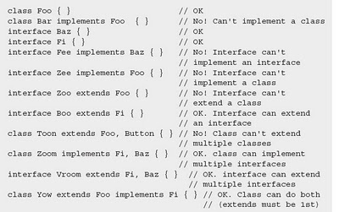
-A class can extend another class and implements another(more than one) interface
-An interface can extend another interface.
-An interface can itself extend another interface, but never implement anything.
-If the implementation class of an interface(abstract class) is abstract, it can simply pass the buck to its first concrete subclass. (No need to override the interface methods in the abstract class).
for classes that claim to implement an interface but don't provide the
correct method implementations. Unless the implementing class is abstract, the
implementing class must provide implementations for all methods defined in the
interface.

You can extend only one class, but implement many interfaces. But remember
that subclassing defines who and what you are, whereas implementing defines a role
you can play or a hat you can wear, despite how different you might be from some
other class implementing the same interface (but from a different inheritance tree).
For example, a Person extends HumanBeing (although for some, that's debatable).
But a Person may also implement Programmer, Snowboarder, Employee, Parent.

COMPARING CONCRETE ABSTRACT EXAMPLE OF EXTENDS AND IMPLEMENTS
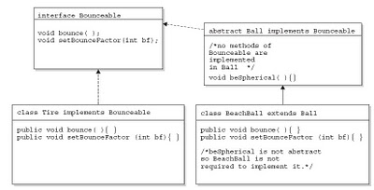

LEGAL USE OF EXTENDS AND IMPLEMENTS

59
To provide a mechanism to "wrap" primitive values in an object so that the primitives can be included in activities reserved for objects, like being added to Collections, or returned from a method with an object return value.
Wrapper objects are immutable. Once they have been given a value, that value cannot be changed.
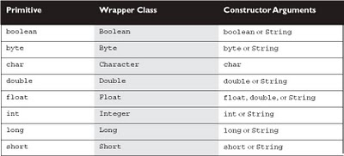
The Wrapper Constructors:
Integer i1 = new Integer(42);
Integer i2 = new Integer("42");
Float f1 = new Float(3.14f);
Float f2 = new Float("3.14f");
Character c1 = new Character('c');//only one constructor
Boolean b = new Boolean("false");//can take true/false/string

THE xxxValue() METHOD:
When you need to convert the value of a wrapped numeric to a primitive, use one of the many xxxValue() methods. All of the methods in this family are noarg methods.
e.g
Integer i2 = new Integer(42); // make a new wrapper object
byte b = i2.byteValue(); // convert i2's value to a byte primitive
short s = i2.shortValue(); // another of Integer's xxxValue methods
double d = i2.doubleValue(); // yet another of Integer's xxxValue methods

THE parseXxx() METHOD:
It can convert String objects from different bases (radix), when the underlying
primitive type is any of the four integer types.
e.g.
String str="bhabani";
int x=Integer.parseInt(str);
DIFFERENCE BETWEEN parseXXX() and valueOf() :
The six parseXxx() methods (one for each numeric wrapper type) are closely related to the valueOf() method that exists in all of the numeric wrapper classes. Both parseXxx() and valueOf() take a String as an argument, throw a NumberFormatException (a.k.a. NFE) if the String argument is not properly formed,
The difference between the two methods is
■ parseXxx() returns the named primitive.
■ valueOf() returns a newly created wrapped object of the type that invoked
the method.
THE toString() METHOD:
We can use this toString() with every class because this method is under java.lang.String and every class inherits it.
We can convert any object to String by this method.
e.g.
Integer x=new Integer(5);
String str=x.toString();
THE toXxxString() METHOD:
Xxx can be referred to (Binary, Hexadecimal, Octal).
e.g.
String str=Integer.toBinaryString(100);
outputis- 1100100
String s3 = Integer.toHexString(254);
String s4 = Long.toOctalString(254);

primitive xxxValue() - to convert a Wrapper to a primitive
primitive parseXxx(String) - to convert a String to a primitive
Wrapper valueOf(String) - to convert a String to a Wrapper

67
Exception means runtime error.
This is not occears at compile time.
In general, an exception represents something that happens not as a result of
a programming error, but rather because some resource is not available or some
other condition required for correct execution is not present.
For example, if you call a method that opens a file and write something but the file does not exist, execution of that method will stop, and code that you wrote to deal with this situation will be run.In this situation exception is thrown by JVM When you try to save something in the database but the database is not open then exception is thrownby the JVM at runtime.
Exception handling works by transferring the execution of a program to an appropriate exception handler when an exception occurs.

USING try,catch and finally TO HANDLE EXCEPTION:
We need a way to tell the JVM what code to execute when a certain exception happens.
That is nothing but exception handling.
try {
//open a file
//in the below line exception occears
//write something(file is read only)
}
catch(MyFirstException) {
//Print what exception occears
}
catch(MySecondException) {
// print what exception occears
}
catch(Exception){//some code here}
finally{//close file}
The try is used to define a block of code in which exceptions may occur.
Catch block is used to catch the exception which occeared in the try block.
In the above code there are three catch blocks.
Actually in the program which exception will occear we do not know.So we have to specify catch block for all the expected exceptions.So which exception occears then the relative catch block handles it.
The last catch block contains only Exception,this the super class of the exceptions. When the exception occeared in the code does not match the above two catch blocks then the last statement handles the exception.
A finally block encloses code that is always executed at some point after the
try block, whether an exception was thrown or not.finally is used to clean up. This is the right place to close your files, release your network sockets, and
perform any other cleanup your code requires.Because execution transfers out of the try block as soon as an exception is thrown, we can't put our cleanup code at the bottom of the try block and expect it to be executed if an exception occurs.
If the try block executes with no exceptions, the finally block is executed immediately after the try block completes.

-The only exception to the finally-will-always-be-called rule is that a finally
will not be invoked if the JVM shuts down. That could happen if code from the try or catch blocks calls System.exit().
-Just because finally is invoked does not mean it will complete. Code in the
finally block could itself raise an exception or issue a System.exit().
-if you have no resources to clean up after your try block completes, you probably don't need a finally clause.
-compiler doesn't even require catch clauses, sometimes you'll run across code that
has a try block immediately followed by a finally block.
-exceptions are always some subclass of java.lang.Exception.This class derives from the class Throwable.
-In the catch block hirarchy subclass must be above super class.otherwise it is compilation error.
try{}
catch(Exception e){}//compilation error
catch(IOException e){}
The compiler will stop you from defining catch clauses that can never be reached.
EXCEPTION CLASS HIRARCHY:
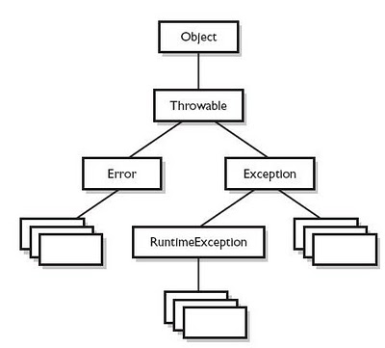
-Troowable is in the top of the hirarchy.Two sub classes of Throwable, Error and Exception
--Error-classes that derived form Errorrepresent unsusal situations lthat are not caused by program such as JVM out of memory.Your application won't be able to recover from the error,So you are not required to handle them.
-Exception-All the exceptions can be handled by the program comes under Exception class.
-Exceptions come in two flavors: checked and unchecked.
-checked exceptions, it's commonly said that Java forces developers to handle exceptions.Checked exceptions include all subtypes of Exception, excluding classes that extend RuntimeException.These must either declare the exception using throws, or handle the exception with an appropriate try/catch.
-unchecked Exception-The compiler doesn't enforce the handle or declare rule. You're free to handle them, or to declare them, but the compiler doesn't care.
-Throws:-some method throws an exception that we have to catch?The throws keyword is used as follows to list the exceptions that a method can throw.It is used when we do not want to handle the exception. It throws the exception to the caller of the method.
void myFunction() throws MyException1, MyException2 {
// code for the method here
}
-Throw:-Sometime we intentionaly throw an excetion in the program.In this case tr=hrow keyword is used.
throw new Exception;

A special case :
If an exception occurs in the try block(without catch), when it goes to finally again an exception occurs in finally bloc, then which exception will be thrown ?
The exception occurred in the finally block will be thrown.
If catch exception occurred in try, catch and finally then also the finally block exception will be thrown.
When Finally block won't be executed ?
- When System.exit() called
- Thread stopped
- System shutdown

74
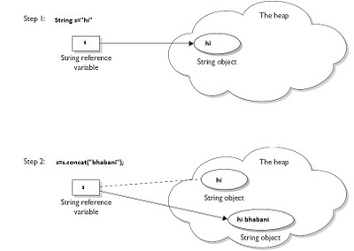
Consider this example:
class demo
{
public static void main(String[] args){
String s=new String("hi");
s.concat(" bhabani");
System.out.println(s);
}
};
The output is “ hi”. Not “hi bhabani”.
Actually what happens here,
Since Strings are immutable, the VM couldn't stuff this new value into the old String referenced by ‘s’, so it created a new String object, gave it the value "hi bhabani". Technically there are now three String objects,“hi”, “bhabani” and “hi bhabani”.
But ‘s’ still refers to “hi” not the new string object “hi bhabani”.
If we will write like this
s=s.concat(“bhabani”);
System.out.println(s);
Now it will give output “hi bhabani”.
Because here the new string reference is stored in 's'.The old string is still there.

100
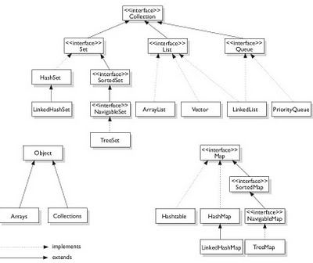

113
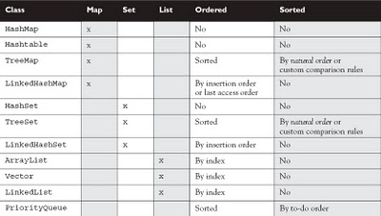

196
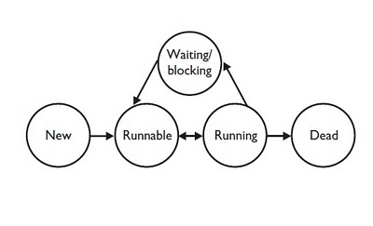
Thread can have different states.
■ New This is the state the thread is in after the Thread instance has been
created, but the start() method has not been invoked on the thread. It is
a live Thread object, but not yet a thread of execution. At this point, the
thread is considered not alive.
■ Runnable This is the state a thread is in when it's eligible to run, but the
scheduler has not selected it to be the running thread. A thread first enters
the runnable state when the start() method is invoked, but a thread can
also return to the runnable state after either running or coming back from a
blocked, waiting, or sleeping state. When the thread is in the runnable state,
it is considered alive.
■ Running This is it. The "big time." Where the action is. This is the state a
thread is in when the thread scheduler selects it (from the runnable pool) to
be the currently executing process. A thread can transition out of a running
state for several reasons, including because "the thread scheduler felt like it."
We'll look at those other reasons shortly. Note that in Figure 9-2, there are
several ways to get to the runnable state, but only one way to get to the running
state: the scheduler chooses a thread from the runnable pool.
■ Waiting/blocked/sleeping This is the state a thread is in when it's not
eligible to run. Okay, so this is really three states combined into one,
but they all have one thing in common: the thread is still alive, but is
currently not eligible to run. In other words, it is not runnable, but it might
return to a runnable state later if a particular event occurs.
■ Dead A thread is considered dead when its run() method completes. It
may still be a viable Thread object, but it is no longer a separate thread of
execution. Once a thread is dead, it can never be brought back to life! (The
whole "I see dead threads" thing.) If you invoke start() on a dead Thread
instance, you'll get a runtime (not compiler) exception. And it probably
doesn't take a rocket scientist to tell you that if a thread is dead, it is no
longer considered to be alive.

